Aguilera_2015
Aguilera et al (2015) - Embodied Energy In Agricultural Inputs Incorporating a Historical Perspective
http://repositori.uji.es/xmlui/handle/10234/141278
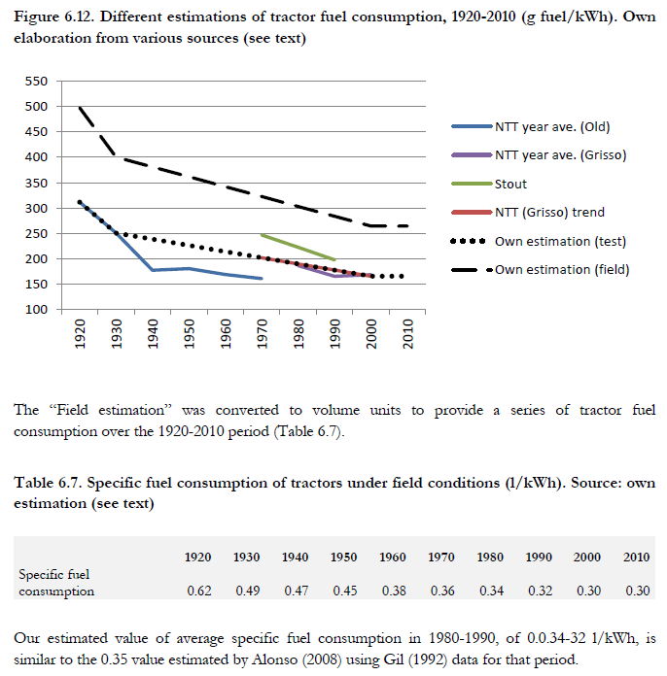
Specific fuel consumption (g fuel/kWh)
 | 1,920 | 1,930 | 1,940 | 1,950 | 1,960 | 1,970 | 1,980 | 1,990 | 2,000 | 2,010 | Inverse of specific fuel consumption
NTT year ave. (Old) | 312 | 251 | 178 | 181 | 169 | 161 |  |  |  |  | Year | Specific fuel consumption (MJ/kWh) | Inverse (kWh/MJ) | Efficiency [-]
NTT year ave. (Grisso) |  |  |  |  |  |  | 187 | 166 | 169 |  | 1920 | 23.83 | 0.041970081369 | 15.11%
Stout |  |  |  |  |  | 247 | 223 | 198 |  |  | 1930 | 19.06 | 0.052474347786 | 18.89%
NTT (Grisso) trend |  |  |  |  |  | 202 | 190 | 178 | 166 |  | 1940 | 18.09 | 0.055287884149 | 19.90%
Own estimation (test) | 312 | 251 | 239 | 227 | 214 | 202 | 190 | 178 | 166 | 166 | 1950 | 17.17 | 0.058256930853 | 20.97%
Own estimation (field) | 497 | 400 | 381 | 362 | 342 | 323 | 303 | 284 | 264 | 264 | 1960 | 14.83 | 0.067448953834 | 24.28%
 |  |  |  |  |  |  |  |  |  |  | 1970 | 13.98 | 0.071506906078 | 25.74%
Specific fuel consumption, field (l/kWh) |  |  |  |  |  |  |  |  |  |  | 1980 | 13.14 | 0.076084395038 | 27.39%
 | 1,920 | 1,930 | 1,940 | 1,950 | 1,960 | 1,970 | 1,980 | 1,990 | 2,000 | 2,010 | 1990 | 12.30 | 0.081288018396 | 29.26%
Specific fuel consumption | 0.62 | 0.49 | 0.47 | 0.45 | 0.38 | 0.36 | 0.34 | 0.32 | 0.30 | 0.30 | 2000 | 11.46 | 0.08725567678 | 31.41%
kWh/l | 1.62 | 2.02 | 2.13 | 2.25 | 2.60 | 2.76 | 2.93 | 3.13 | 3.37 | 3.37 | 2010 | 11.46 | 0.08725567678 | 31.41%

Energy

Specific fuel consumption energy, field (MJ/kWh)
 | 1,920 | 1,930 | 1,940 | 1,950 | 1,960 | 1,970 | 1,980 | 1,990 | 2,000 | 2,010
Specific fuel consumption | 23.8 | 19.1 | 18.1 | 17.2 | 14.8 | 14.0 | 13.1 | 12.3 | 11.5 | 11.5

NTTL
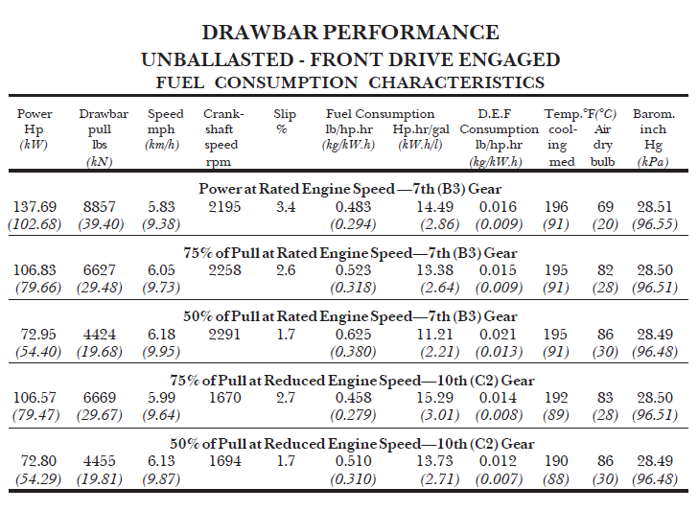
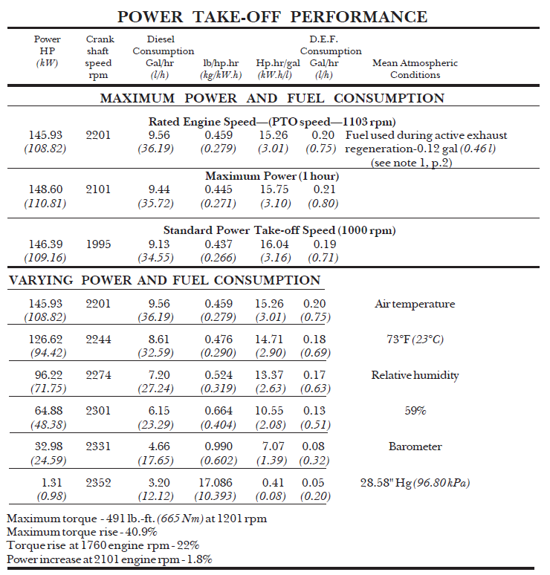
NTTL (2017) - NEBRASKA OECD TRACTOR TEST 2178–SUMMARY 1092 KUBOTA M7-171 DIESEL 24 SPEED
https://tractortestlab.unl.edu/Kubota%20M7-171.pdf

Test Year | Country | Machine | Model | Quantity | % Pull or Engine Speed | Power | Efficiency [kWh/l] | Efficiency [-]
2017 | USA | Tractor | Kubota M7-171 | Drawbar performance | 50% | 54.40 kW | 2.21 | 22.24%
2017 | USA | Tractor | Kubota M7-171 | Power Take-Off Performance | - | 48.38 kW | 2.08 | 20.93%

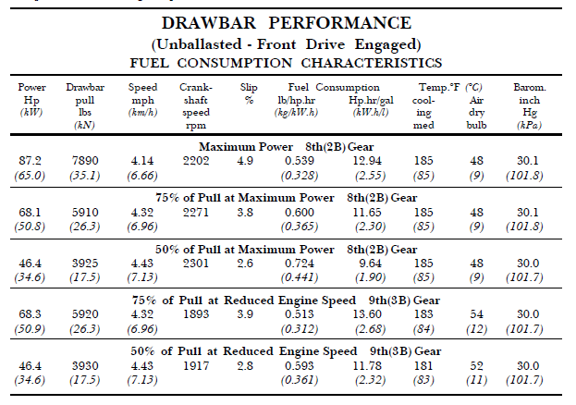
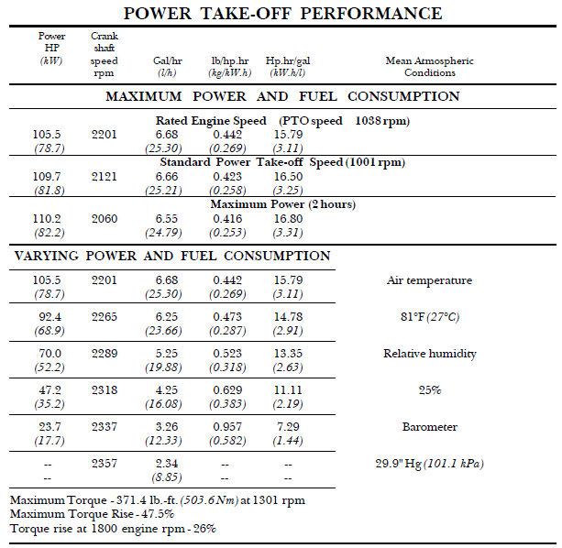
SUMMARY OF OECD TEST 1918 - NEBRASKA SUMMARY 343 NEW HOLLAND TM125 DIESEL 18 SPEED
https://tractortestlab.unl.edu/documents/NH%20TM125.pdf

Test Year | Country | Machine | Model | Quantity | % Pull or Engine Speed | Power | Efficiency [kWh/l] | Efficiency [-]
2000 | USA | Tractor | New Holland TM125 | Drawbar performance | 50% | 34.6 kW | 1.9 | 19.12%
2000 | USA | Tractor | New Holland TM125 | Power Take-Off Performance | - | 35.2 kW | 2.19 | 22.03%

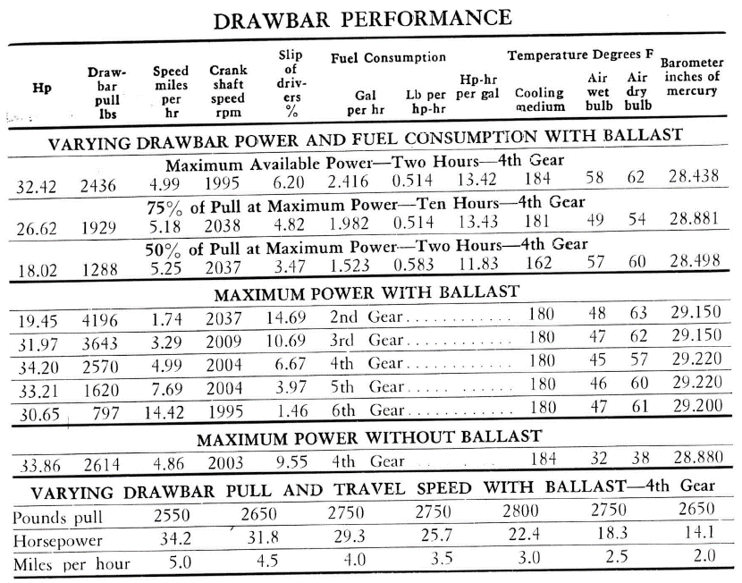
Test 807: Massey-Ferguson MF-50 (Diesel)
https://digitalcommons.unl.edu/cgi/viewcontent.cgi?article=2254&context=tractormuseumlit
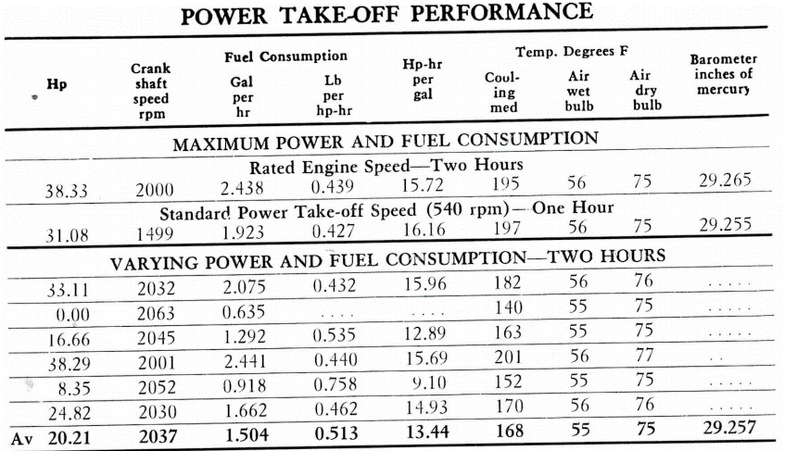
Test Year | Country | Machine | Model | Quantity | % Pull or Engine Speed | Power | Efficiency [Hph/gal] | Efficiency [-]
1960 | USA | Tractor | Massey-Ferguson MF-50 | Drawbar performance | 50% | 18.02 Hp | 11.83 | 23.45%
1960 | USA | Tractor | Massey-Ferguson MF-50 | Power Take-Off Performance | - | 16.66 Hp | 12.89 | 25.55%

Stout_1990
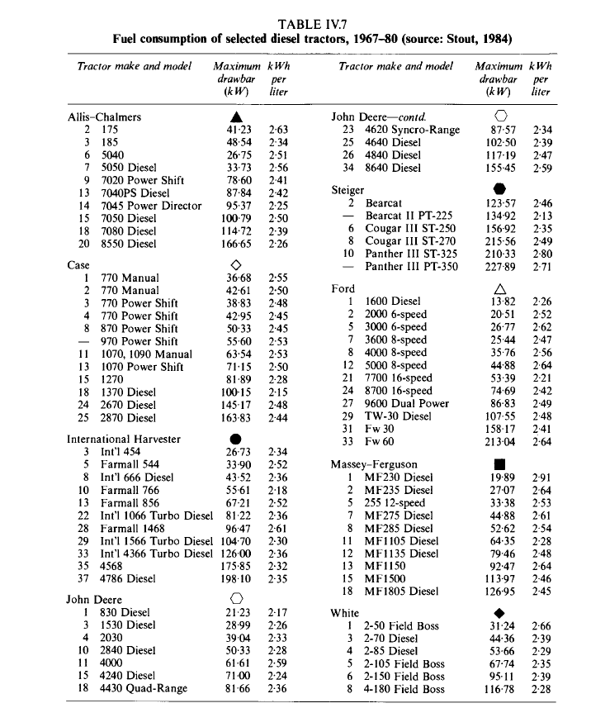
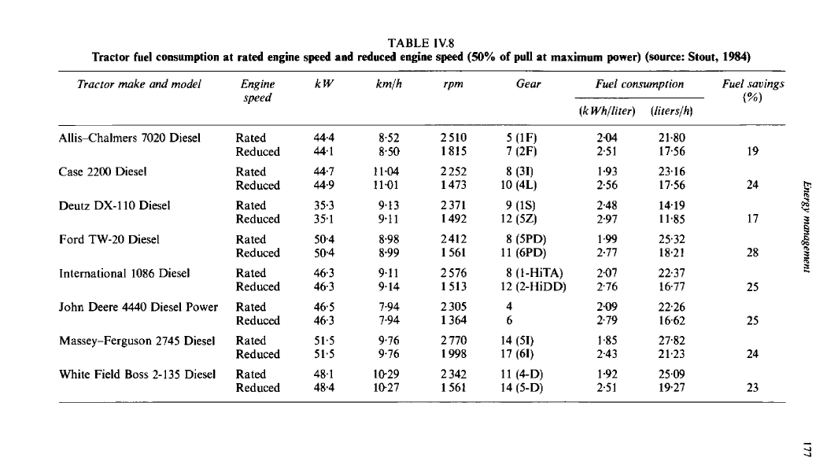
B.A Stout 1990 Handbook of Energy for world agriculture
https://www.google.com/books/edition/Handbook_of_Energy_for_World_Agriculture/JcdAAQAAQBAJ?q=&gbpv=1#f=false

